Activity 5
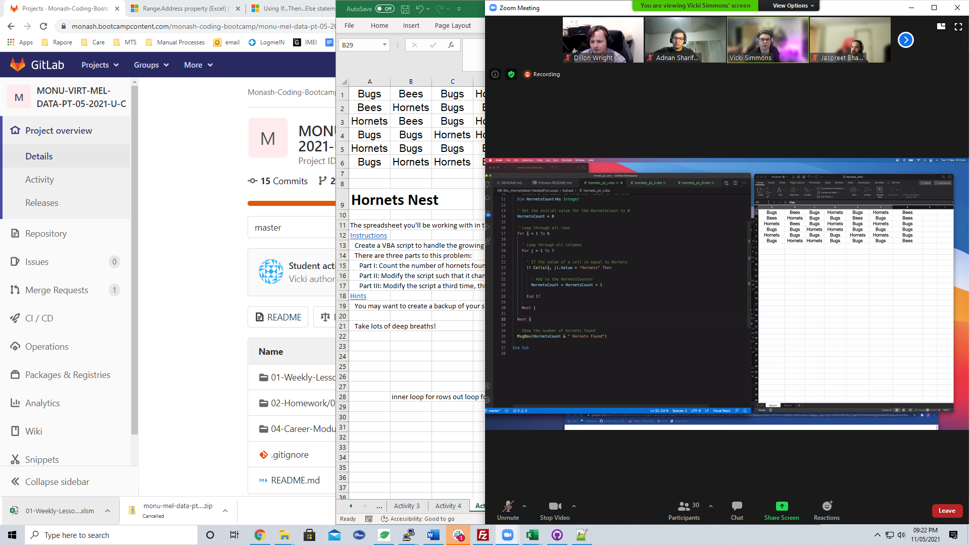
Bugs | Bees | Bugs | Hornets | Bugs | Hornets | Bees
Bees | Hornets | Bugs | Bugs | Bees | Bugs | Bees
Hornets | Bees | Bugs | Hornets | Bugs | Hornets | Bugs
Bugs | Bugs | Hornets | Hornets | Bugs | Bugs | Bugs
Hornets | Bugs | Bugs | Bugs | Hornets | Hornets | Bugs
Bugs | Hornets | Hornets | Bugs | Bugs | Bugs | Bees

Hornets Nest

The spreadsheet you'll be working with in this activity is infested with hornets! In place of numerical data, when you open your file you'll be greeted by cells filled with the words "Hornet", "Bug", or "Bee." Instead of manually dealing with the critters, you'll use VBA to do the work for you.
Instructions
Create a VBA script to handle the growing hornet infestation in your spreadsheet.
There are three parts to this problem:
Part I: Count the number of hornets found and display the number to your user in the form of a message box.
Part II: Modify the script such that it changes the word "Hornets" to "Bugs".
Part III: Modify the script a third time, this time keeping in mind that you have a limited number of bugs and bees. Use the full set of bugs and bees you have available to replace the hornets. If you run out of bugs or bees provide the user with the message: "Oh no! We still have hornets..."
Hints
You may want to create a backup of your spreadsheet as your macro will write over the contents.

Take lots of deep breaths!

 | inner loop for rows out loop for cols

